pd_lo_candles
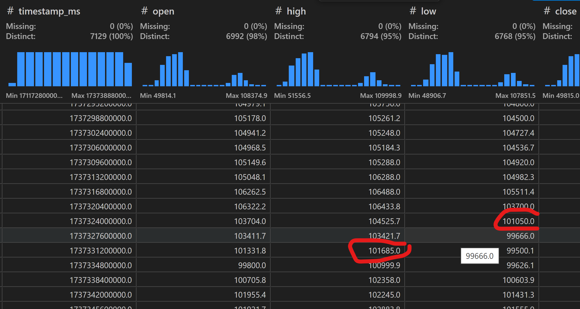
HKT | 20250120 | 7:00:00
UTC | 20250119 | 23:00:00

Trump's inauguration - aggressive dip before inauguration

Aggressive down: candle 'close' breaching boillenger bands at 3 std dev
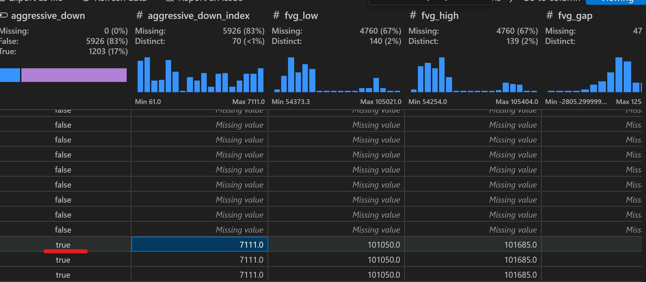

fvg_low | prev candle low
fvg_high | next candle high

